1. Title Page
[Market Analysis]

Project Name: Instacart Project Report
Date: 03/08/2022
Analyst Name: Mercy Tsekiri

Contents:
Population Flow
Consistency checks
Wrangling steps
Column derivations
Visualizations
Recommendations

“The Instacart Online Grocery Shopping Dataset 2017”, Accessed from https://www.instacart.com/datasets/grocery-shopping-2017 on 7/01/2022.

2. Population Flow
Title page

Population flow

Exclusion flag
Condition: max_order < 5
Obervations to be removed: 1440295
Final total count of order_products_all: 30964564

Orders_products_combined
Orders_products_merged
Orders_products_all

Total: 32,404,859
Total: 32,434,489
Total: 32,404,859

1.) The grey boxes in the first row of the population flow represent the original data sets as they were when you downloaded them. In the Total fields you need to add the count of the rows when you imported the data set into Jupyter.
2.) The second row of boxes (coloured) represents the data sets after you manipulated them, e.g., removed missing values and duplicates. In the Total fields you need to add the count of the rows after conducting these operations. This offers a visual oveview of how the data flows throughout the data consistency checks.
3.) The third row, where also the arrows are coloured, represents the merges you performed between the datasets. In the Total fields you need to add the count of the rows in the merged datasets, so that you end up with the final dataset (in the red box). Keep in mind the final dataset should be without exclusions (based on the exclusion flag).

3. Consistency checks
 |  |  |  | Title page
Consistency checks

Dataset | Missing values | Missing values treatment | Duplicates
orders | 206,209 (column-days_since_prior_order) | Ignore-(indicates first order) | N/A
products | product_name | 16 NaN
 |  |  | 5 records-removed
orders_products_prior | N/A |  | N/A
customers | N/A |  | N/A

4. Wrangling steps
 |  |  |  | Title page
Wrangling steps

Orders
Columns dropped | Columns renamed | Columns' type changed | Comment/Reason
eval_set |  |  | unrequired
 | order_dow ---> order_day_of_week |  | easy to understand
 |  | order_id | to int32: to reduce memory usage
 |  | user_id | to int32: to reduce memory usage
 |  | order_number | to int8 to reduce memory usage
 |  | order_day_of_week | to int8 to reduce memory usage
 |  | order_hour_of_day | to int8 to reduce memory usage
 |  | days_since_prior_order | to float16 to reduce memory usage

Products
Columns dropped | Columns renamed | Columns' type changed | Comment/Reason
 |  | product_id | to int32 to reduce memory usage
 |  | aisle_id | to int8 to reduce memory usage
 |  | department_id | to int8 to reduce memory usage
 |  | prices | to float16 to reduce memory usage
 |  | add_to_cart_order | to int8 to reduce memory usage
 |  | average_price | to float16 to reduce memory usage

Orders products prior
Columns dropped | Columns renamed | Columns' type changed | Comment/Reason
 |  | order_id | to int32 to reduce memory usage
 |  | product_id | to int32 to reduce memory usage
 |  | add_to_cart_order | to int32 to reduce memory usage
 |  | reordered | to int8 to reduce memory usage

Customers
Columns dropped | Columns renamed | Columns' type changed | Comment/Reason
 | Surnam ---> Surname |  | Correct spelling
 | fam_status--->family_status |  | easy to understand
 | n_dependants---> no_of_dependants |  | easy to understand
First Name |  |  | PII concerns
Surname |  |  | PII concerns
 |  | user_id | to int32 to reduce memory usage
 |  | Age | to int8 to reduce memory usage
 |  | n_dependants | to int8 to reduce memory usage
 |  | income | to int32 to reduce memory usage

5. Column derivations
 |  |  |  | Title page

Column derivations and aggregations

In this tab you should add tables below that the frequences of flags/label variables that you produced after deriving them. NB: don't do this for continuous variables, only for flags.
Dataset | New column | Column/s it was derived from | Conditions
orders_products_merged | price_range | prices | <=5 is 'Low-range product,
 |  |  | >5 and <=15 is mid-range product
 |  |  | >15 is high range product

 | busiest_days | orders_day_of_week | if value is 0 or 1 =busiest days
 |  |  | if value is 3 or 4 = least busy days
 |  |  | else (that is values 2,5,6) -rehularly busy days
 |  |  | NB: values 0,1,2…6 represnts Saturday, Sunday, Monday…Friday respectively

 | busiest_period_of_day | order_hour_of_day | if value is >=9 and <=17 = Most orders
 |  |  | >=2 and <=5 = Fewest orders
 |  |  | else (that all other values from 0 to 23 that do not meet the above conditions) =Regular orders

 | max_order | order_number | grouped by user_id to get maximum order per user

 | loyalty_flag | max_order | if value is >40 then 'loyal customer'
 |  |  | <= 40 and >10 then 'regular customer'
 |  |  | <= 10 then 'new customer'

 | average_price | prices | grouped by user_id to get average price spent per user

 | spending_flag | average_price | if value is <10 then 'Low spender'
 |  |  | >=10 then 'high spender'

 | median_days_since_prior_order | days_since_prior_order | grouped by user_id to get median_days_since_prior_order

 | frequency_flag | median_days_since_prior_order | if value >20 then 'Non-frequent customer'
 |  |  | >10 and <=20 then 'Regular customer'
 |  |  | <10 frequent customer

 | Region | STATE | grouped states into region(Northeast, midwest, south and west)

 | Activity_level | max_order | all orders less than 5 were classified as 'low' and then excluded

 | Age_group | Age | if value is >=18 and <=35 then 'young adult'
 |  |  | >35 and <= 35 then 'middle aged'
 |  |  | >55 older adult

 | Economic class | income | <52,200 then 'low earners'
 |  |  | >=52,200 and <= '156,600'
 |  |  | >156,600 then 'high earners'

 | depndent_flag | no_of_dependants | if value is = 0 then 'no dependents'
 |  |  | if > 0 then 'parents'

 | department | department_id | created a dictionary and mapped department_id to their corresponding departments

6. Visualizations
 |  |  |  |  |  |  |  |  | Title page

Visualisations

In this tab you should include all the visualtions from Exercises 4.9 and 4.10, alongside the questions from the project brief that they answer. Include any commentary on the relationship between different variables.

 | Key Questions
1 | The sales team needs to know what the busiest days of the week and hours of the day are (i.e., the days and times with the most orders) in order to schedule ads at times when there are fewer orders.
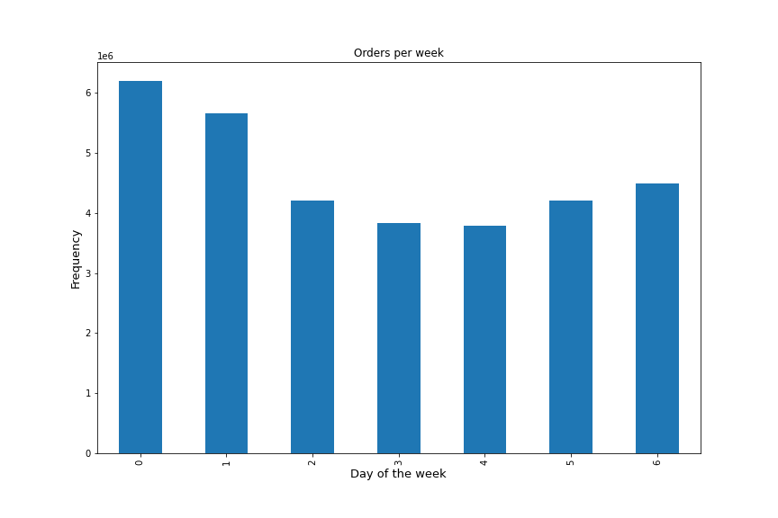
 | Fig 1 |  |  |  |  |  |  | Fig 2
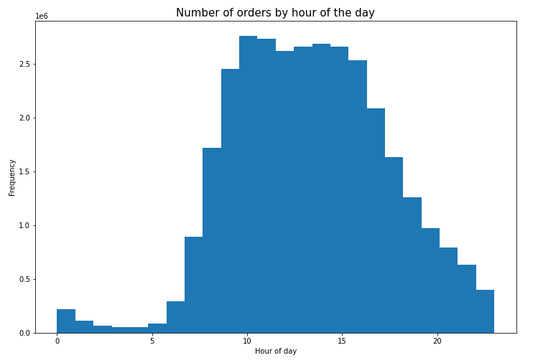
 | Legend
 | 0-Saturday
 | 1-Sunday
 | 2-Monday
 | 3-Tuesday
 | 4-Wednesday
 | 5-Thursday
 | 6-Friday

 | The busiest days of the week are Saturday and Sunday. This might be due to the fact that most people are less busy on weekends, |  |  |  |  |  |  | The histogram above represents hours of the days(0-23hrs) on the x-axis and the total number of orders placed each hour.
 | hence have time to shop. Also, they might need to restock groceries during the weekend in preparation for the coming week. |  |  |  |  |  |  | The highest sales are between 10am and 11am. Lowest sales are between 3am and 4am. Broadly speaking, people order more during the late mornings and afternoon period(9am to 4pm).
 |  |  |  |  |  |  |  | This is a very active period for most people. Less sales are made at midnight/post midnight (12am to 5am) as expected since most people are asleep.

2 | They also want to know whether there are particular times of the day when people spend the most money, as this might inform the type of products they advertise at these times.

 | Fig 3
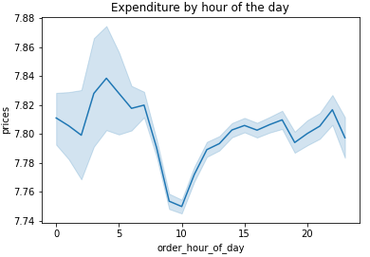

 |  |  |  |  | Even though the highest orders were between 10am and 11am(from fig 2), the line chart shows that the least expenditure were also around that time,
 |  |  |  |  | meaning people were not spending as much money during that time compared to other hours of the day.
 |  |  |  |  | Likewise, expenditure was highest during the early hours of the day (4am to 5am) even though orders were low(from fig 2) during this period.

3 | Instacart has a lot of products with different price tags. Marketing and sales want to use simpler price range groupings to help direct their efforts.

 | Fig 4 |  |  |  |  | Fig 5
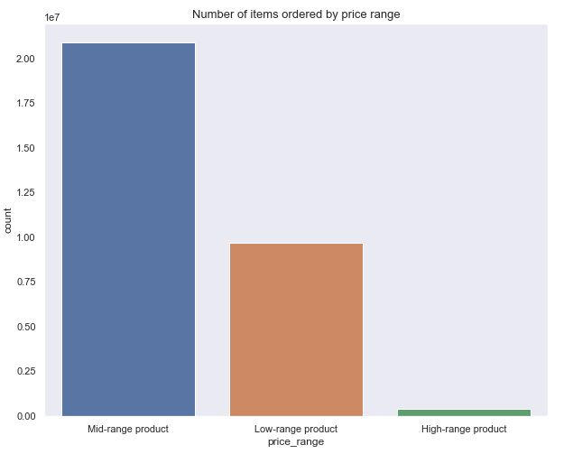
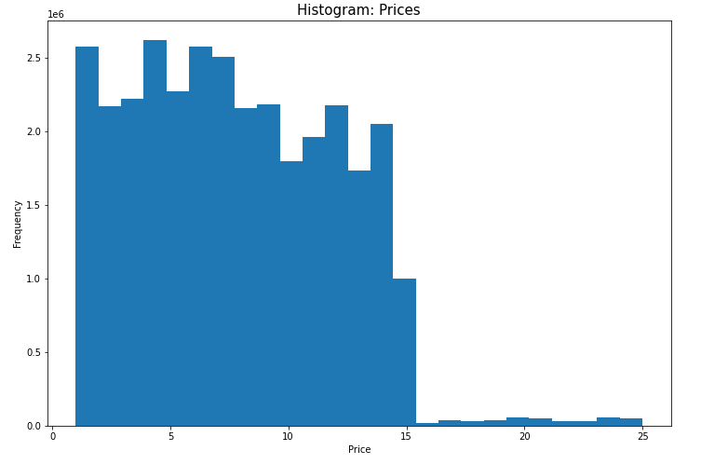

 | Most of the items purchased are below $15. |  |  |  |  |  |  | Most of the items ordered are mid-range products(priced between $5 and $15).

4 | Are there certain types of products that are more popular than others? The marketing and sales teams want to know which departments have the highest frequency of product orders

 | Fig 6
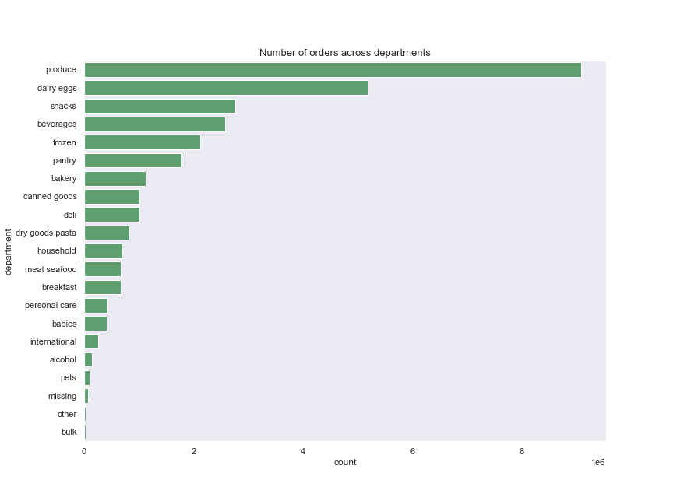

Produce department has the most orders.

5 | What’s the distribution among users in regards to their brand loyalty (i.e., how often do they return to Instacart)?

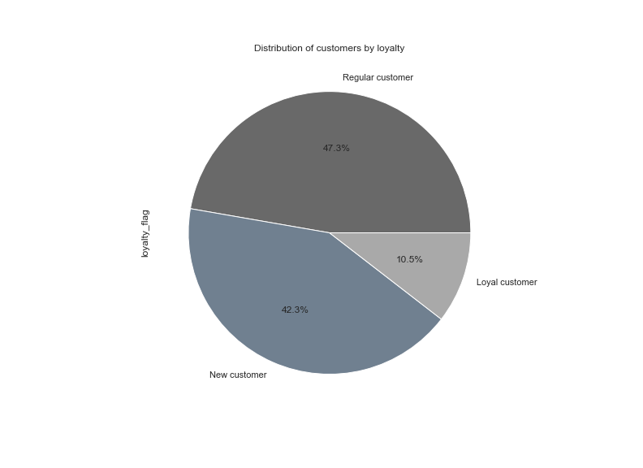
Fig 7

Regular customers(those who have ordered between 10 to 40 times) account for about half of the entire customers.
Followed by New customers(those who have ordered between 1 to 10 times) who represent 42.3% of total customers.

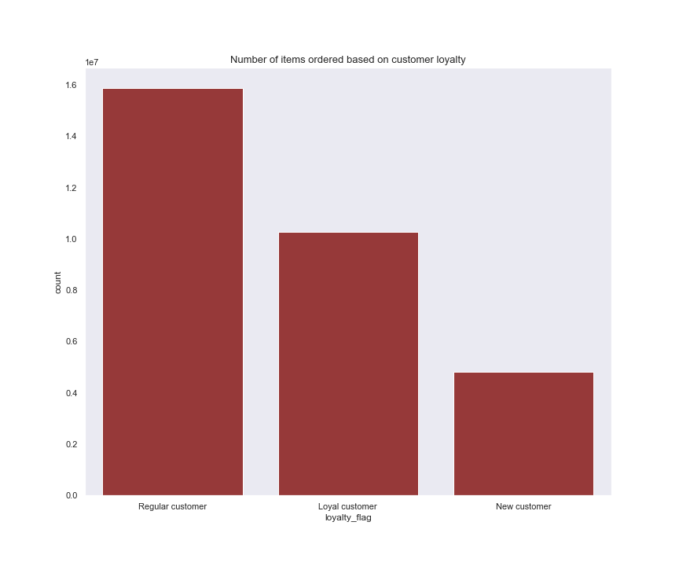
6 | Are there differences in ordering habits based on a customer’s loyalty status?
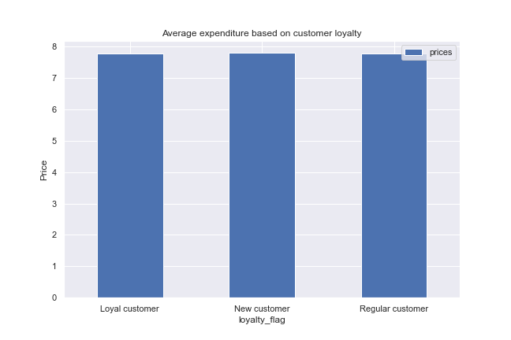
Fig 8 |  |  |  | Fig 9 |  |  |  |  |  | Fig 10

Regular customers account for more than half of all orders and this is consistent with the fact |  |  |  |  | Regular customers also have the highest number of items ordered. |  |  |  |  |  | All three customer segments spend roughly the same amount on average.
that they make up about half of the entire customers.(see fig 7).
Though instacart has a significant proportion of new customers(42.3% see fig ), they only account
for 15.5% of total orders. Clearly majority of instacart customers(84.5%) have placed over 10 orders, which is great.
However, work should be done to convert new customers to loyal customers.

7 | Are there differences in ordering habits based on a customer’s region?

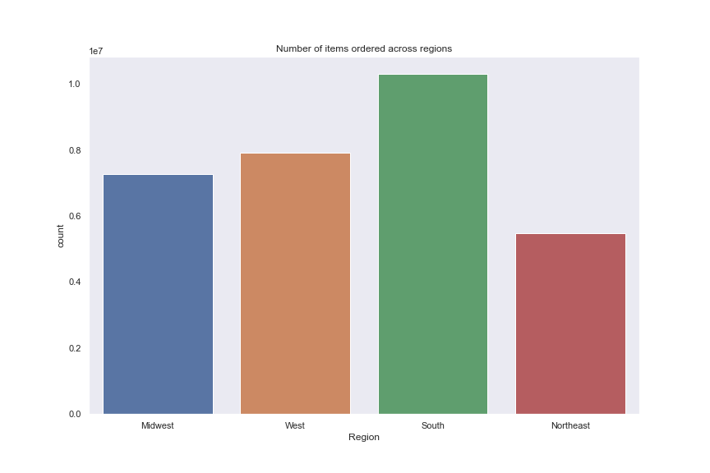
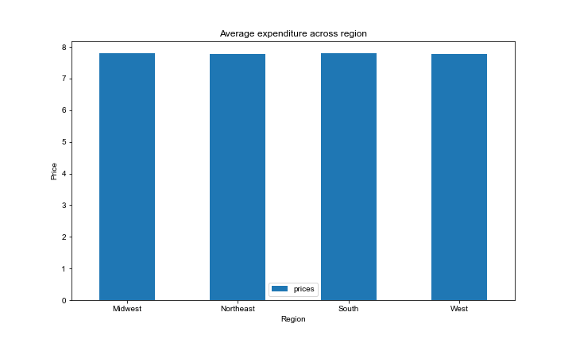
 | Fig 11
 |  |  |  |  |  |  | Fig 12

 | The South region has the most orders, followed by West. |  |  |  |  |  | Though South has the most orders, the average amount spent across regions are roughly the same.

8 | Is there a connection between age and family status in terms of ordering habits?

 | Fig 13

 |  |  |  |  | The customers who are married have the most orders from all three age groups. This could be due to their larger family need.
 |  |  |  |  | There are no middle aged and older adults among the customers living with parents and siblings. This is likely because most people living with parents are young.
 |  |  |  |  | There are no middle aged and young adults among the customers that are divorced/widowed. This is likely because most people who are widowed are older.

9 | What different classifications does the demographic information suggest? Age? Income? Certain types of goods? Family status?

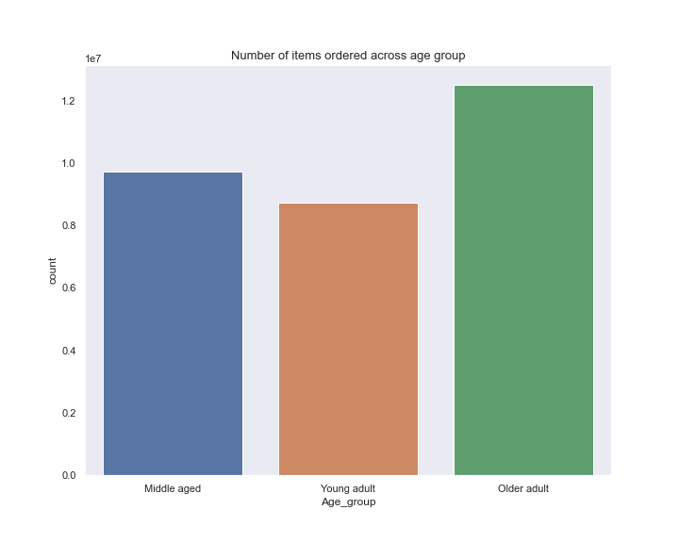
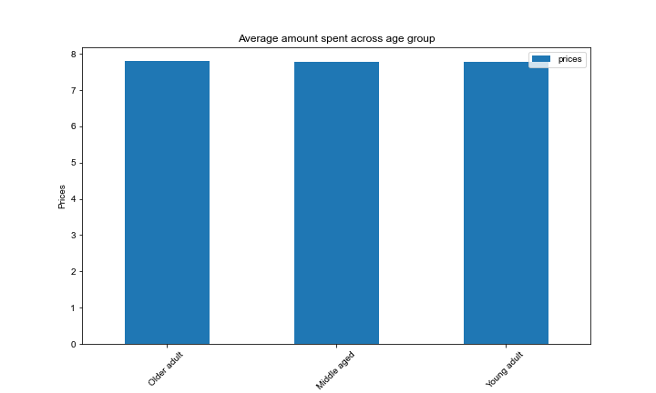
 | Fig 14
 |  |  |  |  |  | Fig 15

 | The older adults(over 55 years) have the most orders, while the young adults(18 to 35 years) have the least orders. |  |  |  |  |  |  | All three age groups spend same amount on average.

 |  | Fig 16 |  |  |  |  |  | Fig 17
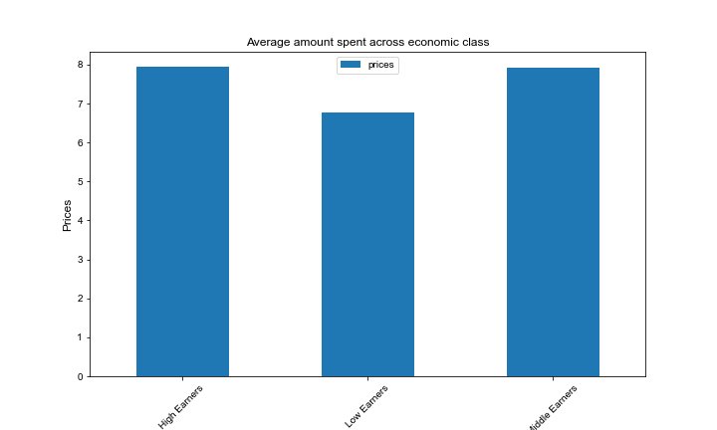
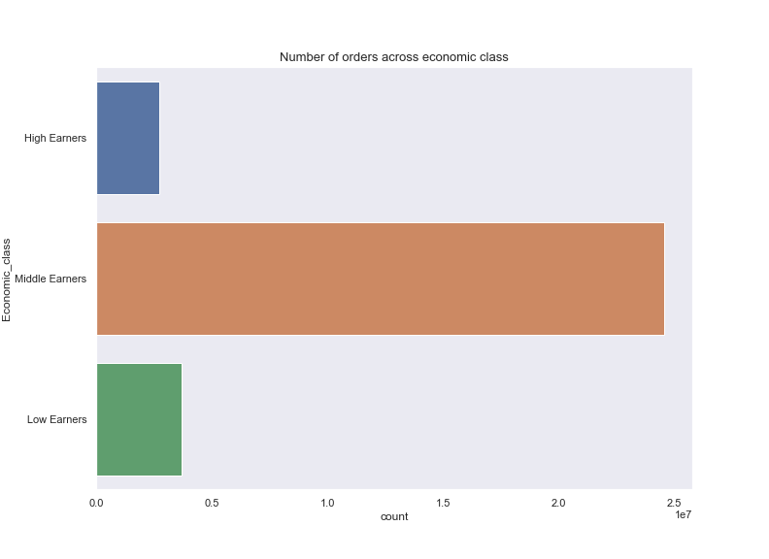

 | Middle earners(earn between $52,200 to $156,600) make the most orders and surprisingly high earners(earn over $156,600) have the least orders. |  |  |  |  |  |  |  | As expected, low earners(earn < $52,200) spend the least amount on average while high and middle earners spend same.

 |  | Fig 18 |  |  |  |  |  | Fig 19

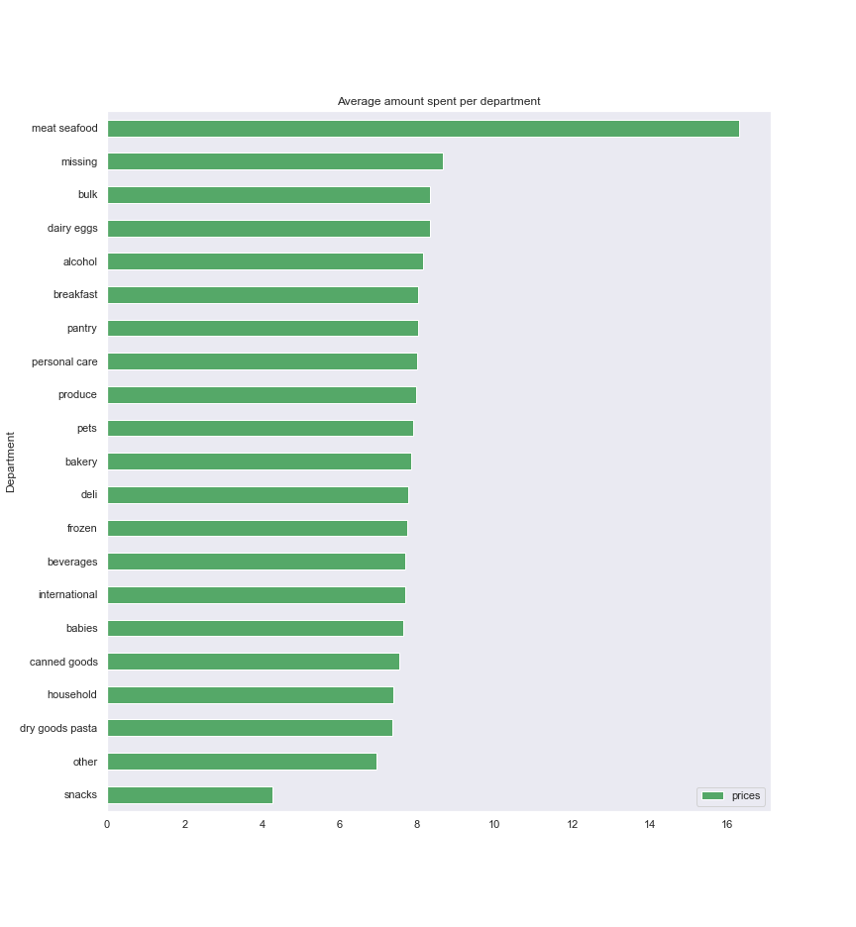

 | Though produce department has the most orders(see fig 19), meat seafood department has the highest amount spent on average(fig 18)
 | This might be because meat and seafood generally cost more compared to other items.
 | Snack department has the least amount spent on average, even though it ranked 3rd on number of orders(see fig 19) . This could be due to the fact that snacks
 | are usually cheap to buy.

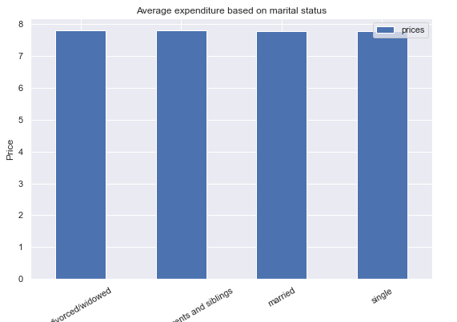
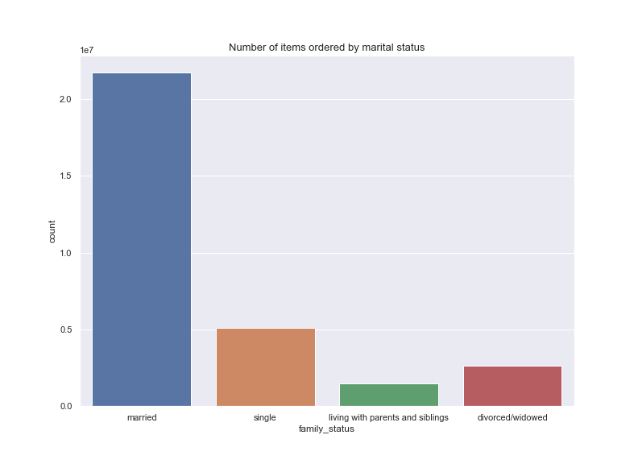
 | Fig 20
 |  |  |  |  |  | Fig 21

 | There isn't any difference among the groups. They spend about the same amount on average. |  |  |  |  |  |  | Married customers placed the most orders while customers living with parents and siblings placed the least orders.

 | Fig 22
 |  |  |  |  |  | Fig 23

 | Instacart has approximately the same proportion of male and female customers. |  |  |  |  | Both male and female have approximately the same proportion of orders.

10 | What differences can you find in ordering habits of different customer profiles? Consider the price of orders, the frequency of orders, the products customers are ordering, and anything else you can think of.

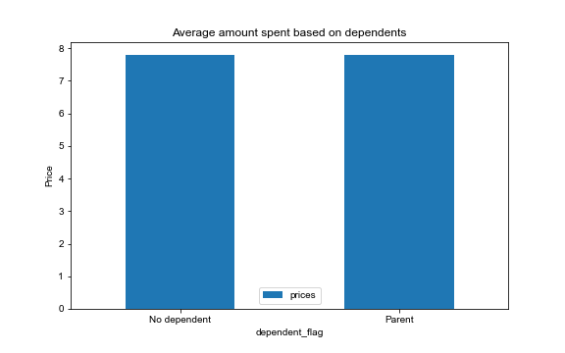
 | Fig 24

 |  |  | Both groups spend the same amount on average.

 | Fig 25 |  |  |  |  |  | Fig 26

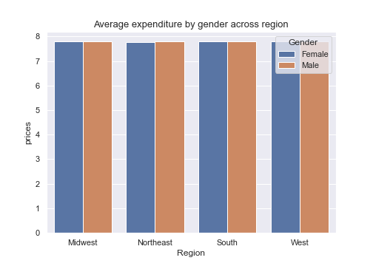
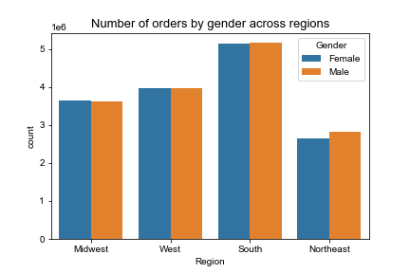

 |  |  |  |  |  |  | Number of orders varies across region and sex. South region has the highest orders with the number of orders between male and female being about the same.
 | Average expenditure is same across regions and gender |  |  |  |  |  | Northeast has the least orders, with males having slighly more orders than females.

 | Fig 27
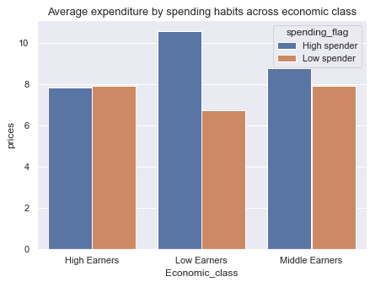

 | On average, high spenders( spend >= $10) and low spenders(spend < $10) spend approximately the same within the high earners category.
 | A clear disparity can be seen within the low earners category. Here, the high spenders spend more on average.

 | Interestingly, the high spenders of the low earners category spend way more than the high spenders of other categories.
 | Likewise, the high spenders of the high earners category spend less than high spenders of other categories.
 | One would have expected the reverse, giving that high earners have more money and should spend more.

 | Summarily, the disparity between high spenders and low spenders increases as income decreases.

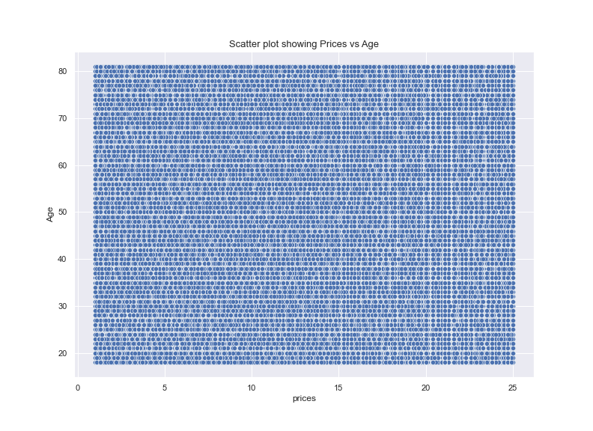
 | Fig 28 |  |  | Fig 29 |  |  |  |  |  | Fig 30
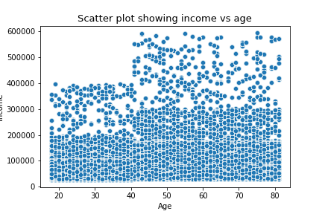

Most of instacart customers earn below $300,000 |  |  |  |  |  | No observed pattern between age and prices(expenditure). |  |  |  |  | All three age groups spend same amount on average.
Most of the customers who earn over $300,000 are above 40 years.
Based on the observation one would expect older customers (above40 yrs) to spend more because of their higher income.
However, further investigation reveals there isn't any difference in amount spent by different age groups (see fig 30)

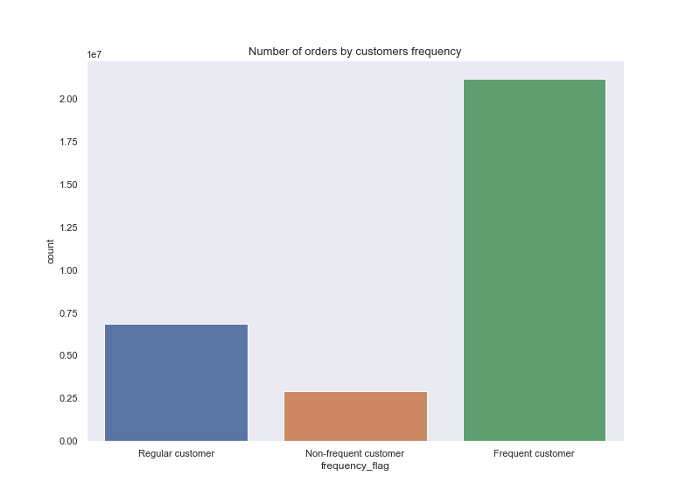
 | Fig 31
 |  |  |  |  | Fig 32

 | Frequent customers(those whose median days since prior order is less than 10 days) has the most orders
 | while non-frequent customers(>20 days) have the least orders. |  |  |  |  | Despite the huge disparity in the number of orders among the groups, all three groups spend the same amount on average.

 | Fig 33 |  |  |  | Fig 34
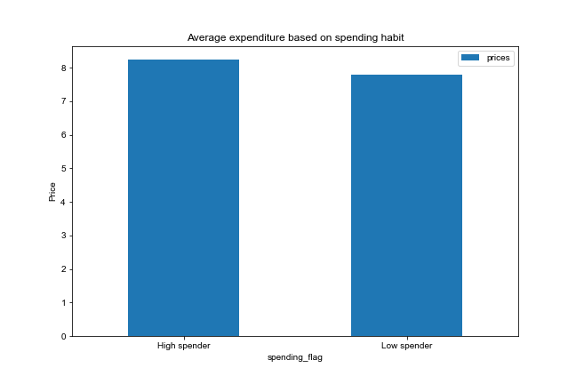
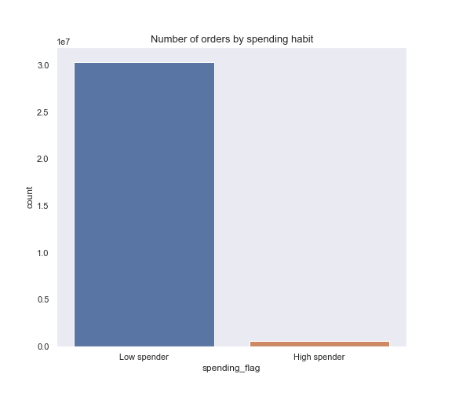

 |  |  |  |  |  | Interestingly, low spenders make the most orders, even though they spend less on average(see fig 33)

7. Recommendations
 |  |  | Title page

Recommendations

1 | The sales team needs to know what the busiest days of the week and hours of the day are (i.e., the days and times with the most orders) in order to schedule ads at times when there are fewer orders.
Recommendation: |  | The least busy days of the week are Tuesday and Wednesday(see fig 1). Ads should be scheduled on these days.
 |  | Though the least busy hours of the day is between 3am and 4am(see fig 2), it is not advisable to schedule ads at this time since most people are likely asleep. I will recommend scheduling ads anytime between 4pm and 5pm.
 |  | This period is not as busy as the peak period and customers are still active to place orders.

2 | They also want to know whether there are particular times of the day when people spend the most money, as this might inform the type of products they advertise at these times.
Recommendation: |  | People spend the most money during the early hours of the day (4am to 5am) see fig 3. Products that will appeal to this group of customers could be advertised during this period.
 |  | However, because most people are asleep at this time, ads should be scheduled in batches to reach other customers.

3 | Instacart has a lot of products with different price tags. Marketing and sales want to use simpler price range groupings to help direct their efforts.
Recommendation: |  | Since most people are already buying mid and low range products(see fig 5), Instacart should try up-selling high-range products to its customers. This could potentially increase revenue.

4 | Are there certain types of products that are more popular than others? The marketing and sales teams want to know which departments have the highest frequency of product orders
Recommendation: |  | Produce department has the most orders, followed by diary eggs. Since people are very interested in these products, special discounts could be given for products in these departments to further drive sales.
 |  | Bulk, other, missing, pets and alcohol have the least orders. Ads should be targeted towards these departments and flash sales should be considered to improve sales.

5 | What’s the distribution among users in regards to their brand loyalty (i.e., how often do they return to Instacart)?
Recommendation: |  | 42% of instacart customers are new(see fig 7). Ads should be targeted at them to convert them to loyal customers

6 | Are there differences in ordering habits based on a customer’s loyalty status?
Recommendation: |  | New customers place the least orders(15%)see fig 8. Startegies should be employed to build brand trust and increase purchase confidence. This can be achieved through good customer service, ensuring good product quality, getting product reviews etc

7 | Are there differences in ordering habits based on a customer’s region?
Recommendation: |  | South region has the most orders(see fig 11). This could be as a result of their population size. Northeast has the least orders. Ads should be targeted at this region to improve sales.

8 | Is there a connection between age and family status in terms of ordering habits?
Recommendation: |  | Since married customers have the most orders from all three age groups(see fig 13), specific ads that are relevant to family needs should be targeted at them. This could further drive sales.
 |  | Single customers have the least orders from all three groups. Specific ads that caters to the needs of the different age groups within this category should be targeted at them.

9 | What different classifications does the demographic information suggest? Age? Income? Certain types of goods? Family status?
Recommendation: |  | High earners have the least orders(see fig 16). Considering they have the capacity to spend more, Instacart should consider up-selling and cross-selling other products to this group of customers.
 |  | See recommendations above for other demographic classifications

10 | What differences can you find in ordering habits of different customer profiles? Consider the price of orders, the frequency of orders, the products customers are ordering, and anything else you can think of.
Recommendation: |  | High spenders place significantly less orders compared to low spenders. Since this are high value customers, the goal is to encourage them to buy more items(i.e spend more money).
 |  | Showing recommended products, bundle deals, offering limited time discounts etc can help achieve this. Which in turn would potentially increase revenue.

